Sheet1
Research Paper | Idea Proposed | Opportunities and Challenges
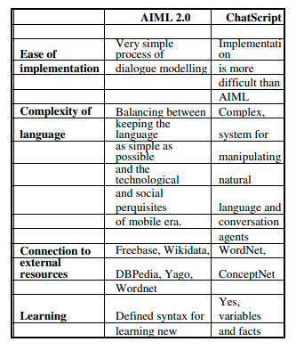
Chatbots: History, technology, and applications, Eleni Adamopoulou ∗, Lefteris Moussiades | Pattern Matching Algorithm, Artificial Neural Networks (ANN) - ML | ChatScript - it is an expert system for developing rule-based chatbots with an open-source scripting language that is very compact.
 |  | Age Old Technique
 |  | Low Response Time

Shawar, B.A. and Atwell, E., 2007, January. Chatbots: are they really useful?. In Ldv forum (Vol. 22, No. 1, pp. 29-49). | Dialogue Corpuse Training Dataset | Uses AIML (Artificial Intelligence Markup Language)
 |  | Extended for of XML for developing the script

Jain, M., Kumar, P., Kota, R. and Patel, S.N., 2018, June. Evaluating and informing the design of chatbots. In Proceedings of the 2018 Designing Interactive Systems Conference (pp. 895-906). | Conversational Intelligence | First, chatbots are continuously evolving, hence completed the study in a 10-day period. Fourth, the small sample size limited our analyses. A larger number of participants is required to identify broader trends.
 |  | Second, our study participants were highly educated, with all of them working in IT or financial firms.
 |  | Third, there might be idiosyncrasies to this first-time chatbot users group that might not extend to other groups.
 |  | Finally, the study was limited to the Facebook Messenger platform with our curated list of chatbots.

Kerlyl, A., Hall, P. and Bull, S., 2006, December. Bringing chatbots into education: Towards natural language negotiation of open learner models. In International Conference on Innovative Techniques and Applications of Artificial Intelligence (pp. 179-192). Springer, London. | Intellgient Tutoring Systems | Wizard of Oz Paradigm - involves deception of the participants about the nature of the experiment
 |  | Learner Modelling System - The system infers its beliefs from students’ answers to multiple-choice and short-answer questions, and computes and displays the learner model as a result, in a choice of seven formats to suit the learner’s preferences for how to access the information: two knowledge map views; two hierarchical structures; two list views; and a textual description.

Kowatsch, T., Nißen, M., Shih, C.H.I., Rüegger, D., Volland, D., Filler, A., Künzler, F., Barata, F., Büchter, D., Brogle, B. and Heldt, K., 2017. Text-based healthcare chatbots supporting patient and health professional teams | Text based Healthcare Bot | The THCB is part of the open source behavioral intervention platform MobileCoach
 |  | Linguistic and visual THCB characteristics were informed by the assumption that interpersonal closeness is positively related to attachment bond between patient and THCB

Feine, J., Morana, S. and Gnewuch, U., 2019. Measuring service encounter satisfaction with customer service chatbots using sentiment analysis. | Sentiment Analysis | Dialogue Corpus - ExpCorpuse
 |  | IBM Technology
 |  | Correlation Analysis

Bharti, U., Bajaj, D., Batra, H., Lalit, S., Lalit, S. and Gangwani, A., 2020, June. Medbot: Conversational artificial intelligence powered chatbot for delivering tele-health after covid-19. | COVID Chatbot | FAQ Bot
 |  | Rapidly Changing Data
 |  | Conversational Tele Health Agent
 |  | Google cloud platform

